Sheet1
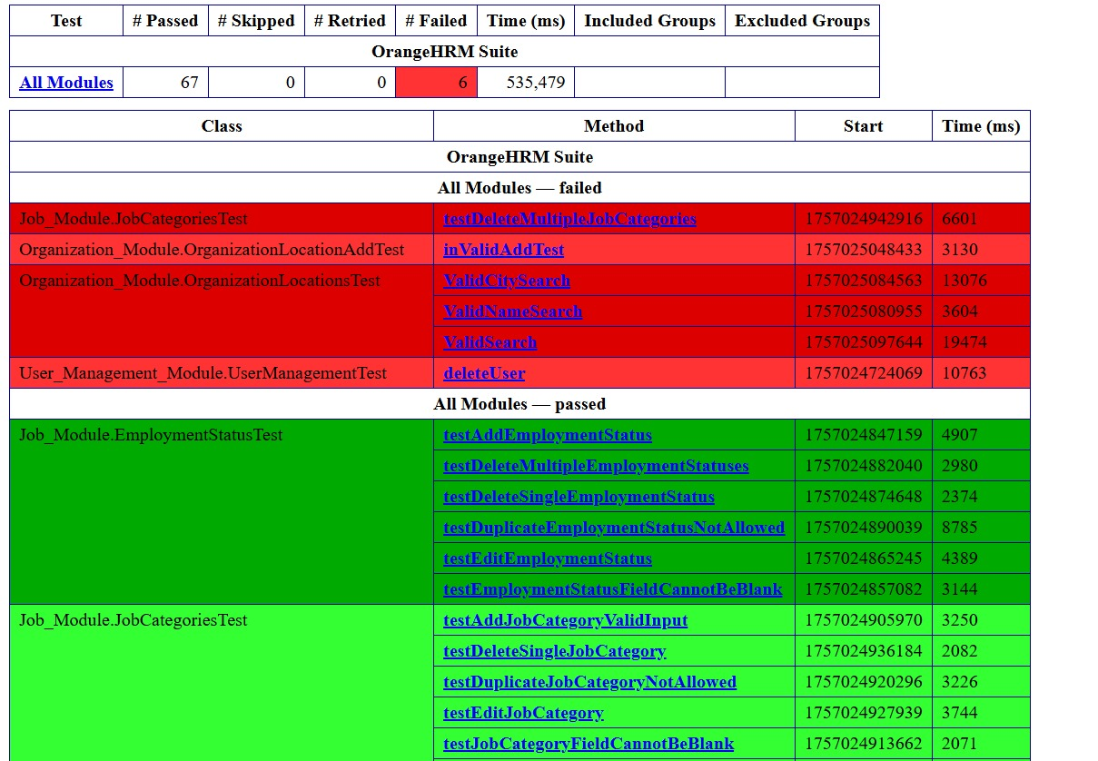
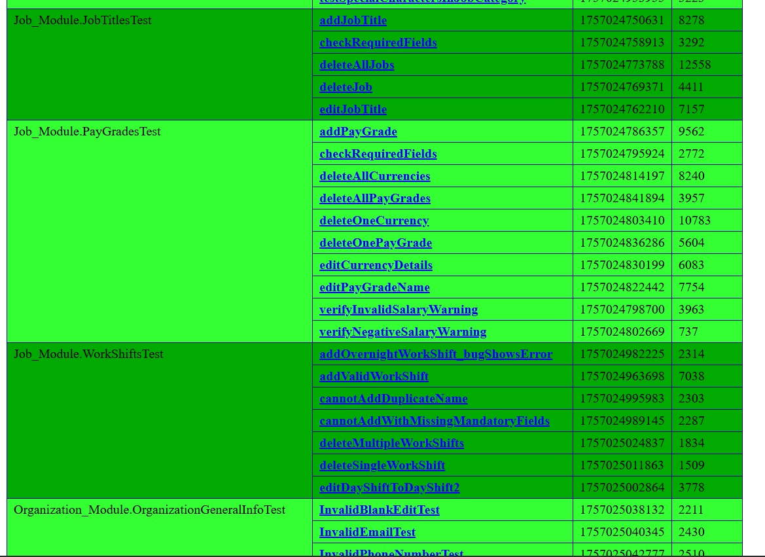
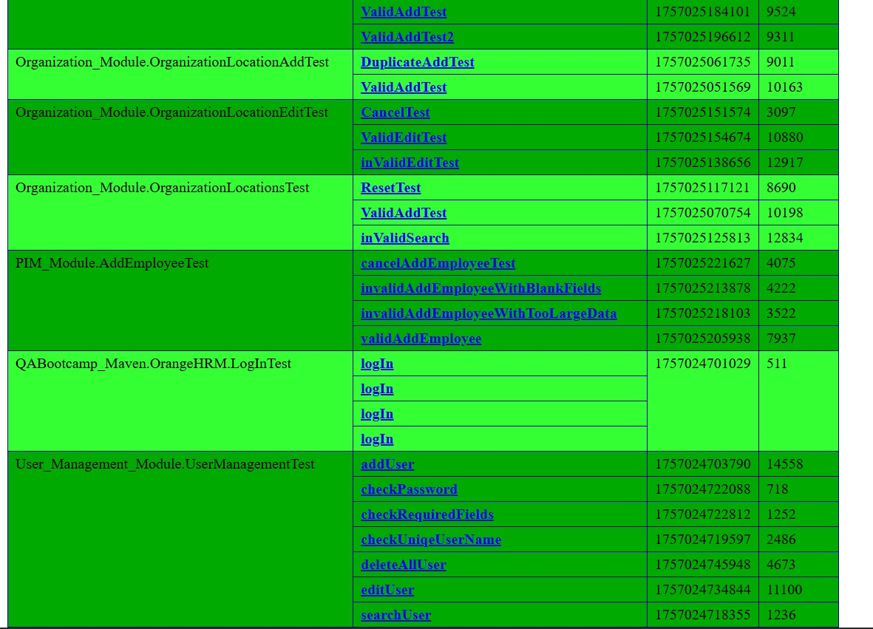
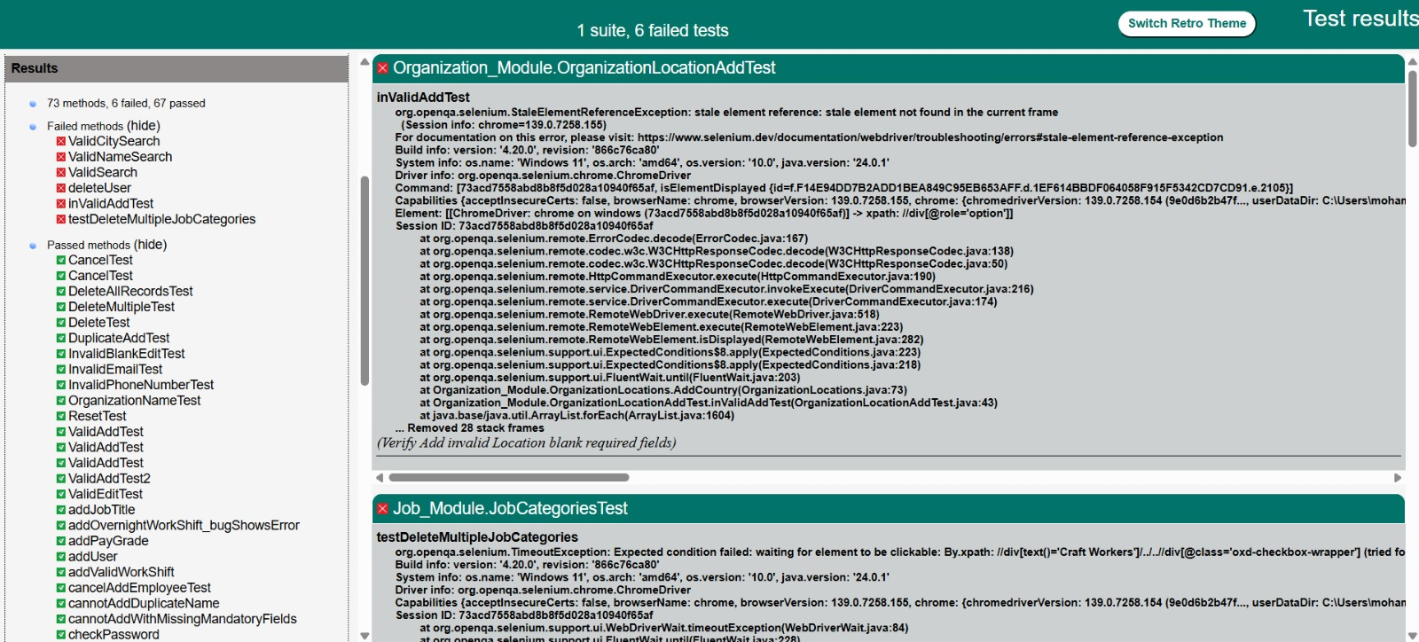
Test Summary Report

Executed | Passed |  |  |  | 66
 | Failed |  |  |  | 5
 | Total Test Executed (Pass + Failed) |  |  |  | 71
Pending |  |  |  |  | 0
In Progress |  |  |  |  | 0
Blocked |  |  |  |  | 0
(Sub Total) Test Planned |  |  |  |  | 71
Pending + In Progress + Blocked + Test Executed

Functions | Descriprion | TC Executed % | TS Passed % | TC Pending | Remarks
Add Employee | Allows a Admin to add Employee | 100% | 88% | 0
Employment List | Allows a Admin to delete Employee | 100% | 100% | 0
User Mangament | Allows a Admin to administer users | 100% | 100% | 0
Job Title | Allow admin to add edit delete job title | 100% | 100% | 0
Pay Grades | Allow admin to add edit delete pay grades | 100% | 100% | 0
Employment Status | Allow admin to add edit delete Employment Status | 100% | 100% | 0
Job Categories | Allow admin to add edit delete job categories | 100% | 100% | 0
Work Shifts | Allow admin to add edit delete workshifts | 100% | 88% | 0
General Information | Allow admin to add edit delete general information | 100% | 100% | 0
Locations | Allow admin to add edit delete locations | 100% | 84% | 0

Category | number of defects
Add Employee | 1
Employment List | 0
User Mangament | 0
Job Title | 0
Pay Grades | 0
Employment Status | 0
Job Categories | 0
Work Shifts | 1
General Information | 0
Locations | 3
number of defects vs Category

Status | Count
Passed | 66
Failed | 5

Count

 | https://app.screencast.com/J2hQ834XMbJ0r

